1. Instructions
Workforce Planning Tool - User Instructions
Introduction
Workforce Planning is commonly defined as the process by which an organisation ensures that they employ the right people with the right skills in the right place at the right time for the right cost.
This workbook contains guidance and tools to help you with the initial stages of workforce planning. It should be used to:
- Analyse your current workforce composition in terms of both capacity an d capability
- Highlight areas of concern; giving consideration to how major this concern is, how it can be rectified and in what timeframe
- Make evidence-based predictions about your future workforce requirements
- Formulate action plans to facilitate proactive intervention
The workbook contains 8 tabs, which each look at a separate issue that can affect your workforce. There are instructions on how to complete each tab below, and as you go through the tool look out for cells with red corners, as they contain additional guidance.
If you have any difficulties with any part of this tool, please do not hesistate to contact either Anna Titmus anna.titmus@hertfordshire.gov.uk or Jane Ritchie jane.ritchie@hertfordshire.gov.uk
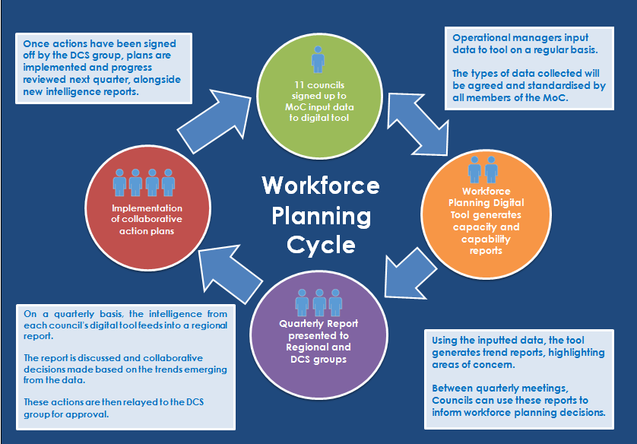

Current Resource Use this form to input details regarding the current state of your Children's Social Work workforce. In the red "Rating" columns, input a number from 1-5 to indicate whether or not this data is a concern to you, where 1 is NO CONCERN and 5 is HIGH CONCERN. Your ratings will be used to inform the analysis page.
Demand
For each Workforce Grouping input what factors are affecting demand. For each factor, indicate whether you predict this will result in an increase or decrease in the number of social workers required - in the next 6, 12 and 18 months. The red "Net Change" boxes will take into consideration your predicted increases and decreases for each timeframe and calculate whether this will lead to an overall increase or decrease in the number of social workers required.

Analysis This form will automatically generate a series of graphs so that you can easily visualise, by job type, what the key areas of concern are. On the radar diagrams, the closer the line is to the centre of the diagram, the less of a concern you have rated it. High concerns are mapped nearer the outer edge of the diagram.
Training
Use this form to map the current state of your workforce in terms of capability and forecast how much working time may need to be dedicated to training and development in the near future. Use these predictions to put in place plans to ensure this time is covered.

Attrition Use this form to input the Top 5 Reasons for Leaving, per job type, assigning a Concern Rating (as with the Current Resource tab). Some further radar diagrams will be generated to visualise the significance of the data you have inputted. There is also a free text box which you can use to input intelligence around internal moves.
Future Resource This worksheet is linked to the first "Current Resource" along wiht the "Supply" and "Demand" tabs to provdie a forecast on how the shape of your workforce is likely to, or needs to, change. You can choose a timeframe based on the urgency of the factors you have identified.

Supply
For each Workforce Grouping, input what factors are affecting supply. For each factor, indicate whether you predict this will result in an increase or decrease in the number of workers required - in the next 6, 12 and 18 months. The red "Net Change" boxes will take into consideration your predicted increases and decreases for each timeframe and calculate whether this will lead to an overall increase or decrease in your current establishment.
Action Plan Using the emerging trends from the previous worksheets, use this table to record what the workforce planning priorities are going forward and how you plan to address them, along with predicted timescales and details of how any outcomes will be evidenced.

3. Analysis
Type Council Here | Newly Qualified Social Worker | Qualified Social Worker (<2 years experience) | Qualified Social Worker (>2 years experience) | Assistant Team Manager / Team Manager | Service Manager / Group Manager | Total
Total FTE + Vacancies
Current Headcount
Part Time (headcount)
Current Vacancies (fte)
Vacancies Covered by Agency SWs
Bottom of salary range
Top of salary range
Max. annual market forces amount
Average Hourly Agency Pay Rate
Average Tenure (Permanent)
Average Tenure (Agency)
Total Turnover (%)
BME (%)
Total FTE + Vacancies | 2
Current Headcount | 5
Part Time (headcount) | 2
Current Vacancies (fte) | 5
Vacancies Covered by Agency SWs | 3
Bottom of salary range
Top of salary range
Max. annual market forces amount
Average Hourly Agency Pay Rate | 3
Average Tenure (Permanent) | 4
Average Tenure (Agency) | 4
Total Turnover (%) | 4
BME (%) | 1
Total FTE + Vacancies
Current Headcount
Part Time (headcount)
Current Vacancies (fte)
Vacancies Covered by Agency SWs
Bottom of salary range
Top of salary range
Max. annual market forces amount
Average Hourly Agency Pay Rate
Average Tenure (Permanent)
Average Tenure (Agency)
Total Turnover (%)
BME (%)
Total FTE + Vacancies
Current Headcount
Part Time (headcount)
Current Vacancies (fte)
Vacancies Covered by Agency SWs
Bottom of salary range
Top of salary range
Max. annual market forces amount
Average Hourly Agency Pay Rate
Average Tenure (Permanent)
Average Tenure (Agency)
Total Turnover (%) | 0
BME (%)
Total FTE + Vacancies
Current Headcount
Part Time (headcount)
Current Vacancies (fte)
Vacancies Covered by Agency SWs
Bottom of salary range
Top of salary range
Max. annual market forces amount
Average Hourly Agency Pay Rate
Average Tenure (Permanent)
Average Tenure (Agency)
Total Turnover (%)
BME (%)
Total FTE + Vacancies | 2
Current Headcount | 5
Part Time (headcount) | 2
Current Vacancies (fte) | 5
Vacancies Covered by Agency SWs | 3
Bottom of salary range
Top of salary range
Max. annual market forces amount
Average Hourly Agency Pay Rate | 3
Average Tenure (Permanent) | 4
Average Tenure (Agency) | 4
Total Turnover (%) | 4
BME (%) | 1

Age Profile
 | NQSW - Age Profile
<25
26-35
36-45
46-55
>55
Age Profile
 | Experienced SWs - Age Profile
<25 | 3
26-35 | 2
36-45 | 2
46-55 | 2
>55 | 2
Age Profile
<25
26-35
36-45
46-55
>55
Age Profile
<25
26-35
36-45
46-55
>55
Age Profile
<25
26-35
36-45
46-55
>55
Age Profile
<25 | 23
26-35 | 136
36-45 | 107
46-55 | 113
>55 | 57

Male | 14
Female | 86
Male | 6
Female | 94
Male | 9
Female | 91
Male | 7
Female | 93
Male | 14
Female | 86

Male | 38
Female | 398

4. Attrition
 | Type Council Here

 | Top 5 Reasons for Leaving - Children's
 | NQSW | Rating | Experienced Qualified Social Worker (<2 years) | Rating | Experienced Qualified Social Worker (>2 years) | Rating | Assistant Team Manager / Team Manager | Rating | Service Manager / Group Manager | Rating
1 | Input your own |  | Stress-related ill health | 3 | Input your own |  | Input your own |  | Input your own
2 | Input your own |  | Low pay | 2 | Input your own |  | Input your own |  | Input your own
3 | Input your own |  | No opportunities for progression | 1 | Input your own |  | Input your own |  | Input your own
4 | Input your own |  | Negative workplace culture | 3 | Input your own |  | Input your own |  | Input your own
5 | Input your own |  | Left to start family | 2 | Input your own |  | Input your own |  | Input your own

 | NQSW
Input your own
Input your own
Input your own
Input your own
Input your own
Experienced SW < 2 yrs
Experienced SW > 2yrs
Input your own
Input your own
Input your own
Input your own
Input your own
ATM/TM
Input your own
Input your own
Input your own
Input your own
Input your own
Service Mgr / Grp Mgr
Input your own
Input your own
Input your own
Input your own
Input your own

Internal Job Moves
We are currently in the process of establishing the most effective way to capture intelligence on internal moves. Please use this box to input any information you currently hold on internal moves within the social care workforce in your organisation. This could be a high-level estimate of all internal moves (across every category), or something more detailed such as "Estimated 8 internal moves in the last 12 months from Experienced SW to ATM / TM". Please feel free to record any intelligence / data you hold, along with any ideas for how this could be best represented. We can then use the input from each Council to come up with a solution.

